Useful indicators
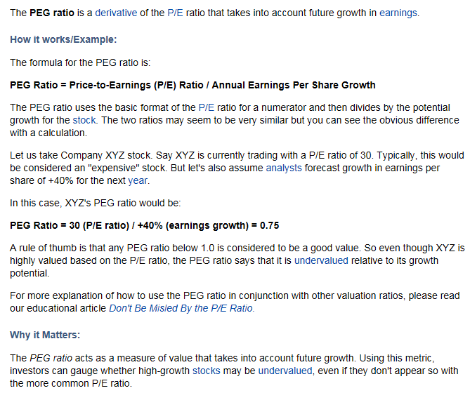

Usefull indicators ?

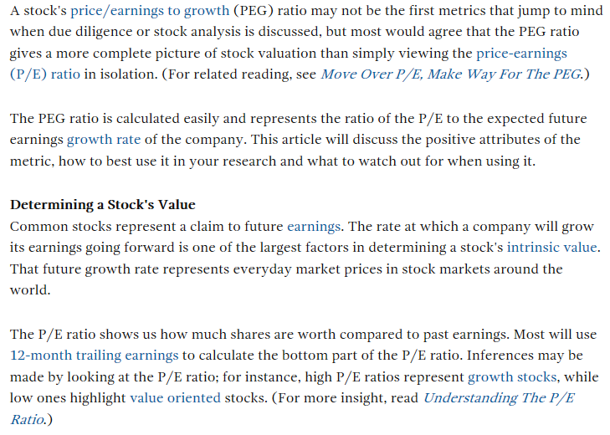

 |  |  | free twitter ans web scraping tools
 | PEG Ratio | Pairs Trading in a sector
 |  |  | https://twxplorer.knightlab.com/search/

 |  |  | https://www.kimonolabs.com/#/signup

 |  |  | https://import.io/advanced-data-platform | seems good

 |  |  | http://grabz.it/scraper/

Readme
to select the company,double click in the cell to bring up the ASX Company list

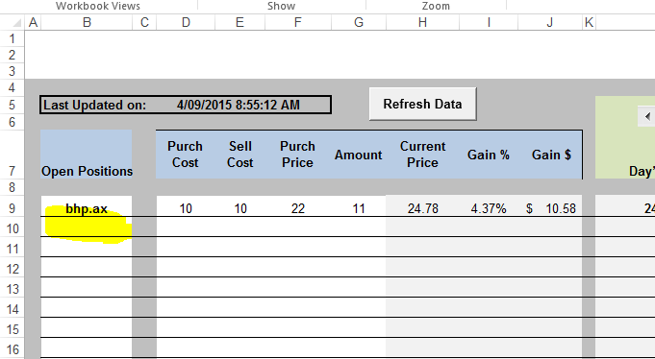

Enter purchase cost, sell cost and number of shares

The left and righ arrow allow you to order the returned data to suit what area you want to look at in your report

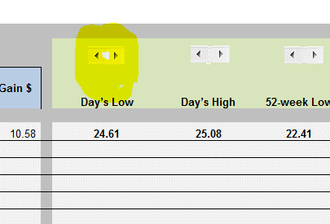

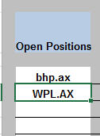
double click in
the cell

select the company and enter to the sheet

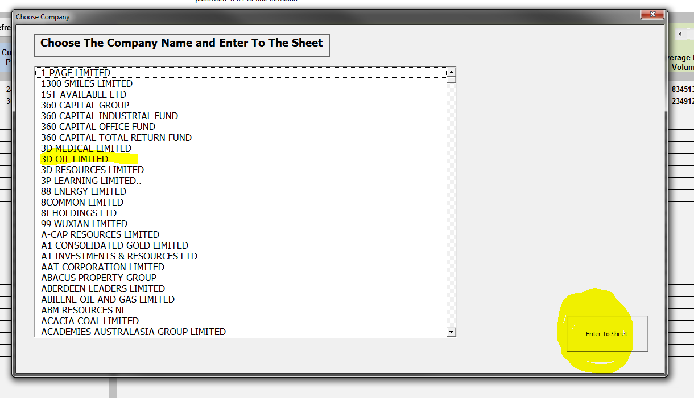

Sometimes the connect to yahoo finance hags, this is nothing I can help with

password 1234 to edit formulas (unlock) if needed

